Xparcel Title Page


Your All-in-One Parcel Carrier Solution

Cover Sheet
Proudly Presents an Offer of Service to

Caputron Medical Products, LLC.

Offering Agent: | Brett Walker
Email Address: | brett.walker@firstmile.com

 |  | Dated: | 2025-07-24

This proposal provides a complete breakdown of FirstMile’s XParcel Ship Methods, including Ground, Expedited, and Priority services.
What’s Inside:
Proposal Outline: Explanation of FirstMile's Networks and this rate proposal
Xparcel Rate Cards: National and Select rate cards supporting FirstMile's expanded network
USPS Postal Rates: Postal rate offering for comprehensive coverage of the entire U.S. including Non-Continential and APO/FPO/DPO addresses

Proposal Outline_SLT+NATL
The Expansion of FirstMile's Low Cost Xparcel Networks
Utilizes FirstMile's expanding linehaul network to connect new national and final-mile delivery networks
The expanded National and Select networks operate within your current Xparcel
The expanded National routing methods reduce your average spend per package
The new Select routing methods facilitate additional savings to ~70%* of the U.S. population already covered by available National routing methods

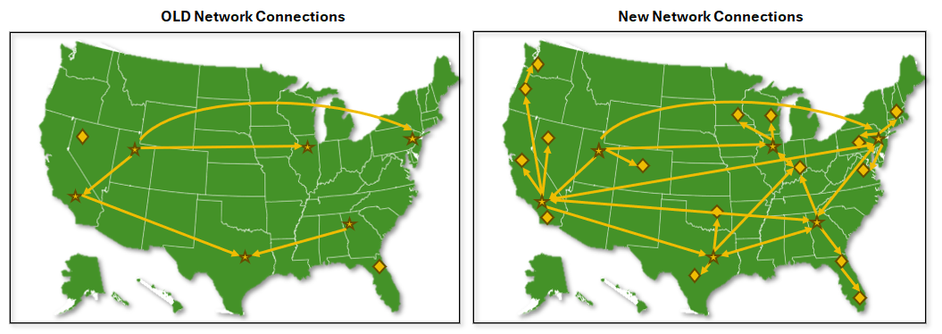

*Coverage utilizing new Select routing methods may vary based on both origin and destination zip codes.

FirstMile Proposal Document
This Rate Proposal provides an organized view of shipping options and pricing. It includes a tab for each Xparcel shipping method, each with a break out of National and Select rate cards. The rate proposal also includes USPS Postal rates that are included with every Xparcel ship method setup.

 | Cover Sheet

 | Xparcel Priority | • | Rates for the Xparcel Priority shipping method (1–3 day transit)
 |  | • | Includes National rate card for customers needing the fastest delivery option
 |  | • | Select rate card is available upon request. Reach out to your sales rep to discuss strategic routing.

 | Xparcel Expedited | • | Rates for the Xparcel Expedited shipping method (2–5 day transit)
 |  | • | Includes National and Select rate cards, showing rates by weight and zone

 | Xparcel Ground | • | Rates for the Xparcel Ground shipping method (3–8 day transit)
 |  | • | Includes National and Select rate cards, showing rates by weight and zone

 | USPS Postal | • | USPS shipping options, including Ground Advantage, and Priority Mail
 |  | • | Cubic rates available upon request
 |  | • | USPS-specific rates, which can be used independently or within XParcel services

 | Terms | • | Outlines the terms and conditions for using FirstMile's Services and Rate Sheets
 |  | • | Includes details about fuel surcharges, fees, and other applicable terms

How the Rate Cards Work
The Xparcel Expedited, and Xparcel Ground TABS each display two rate cards.

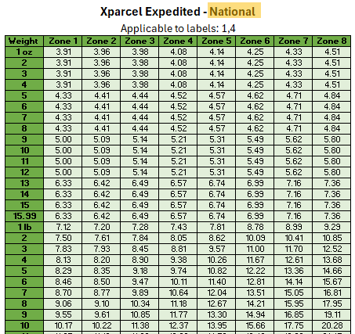
 |  |  |  | National Rate Card:

Cover Sheet |  |  |  | • | Rate card featuring a blend of "national" coverage routing methods

Xparcel Priority |  |  |  | • | Provides coverage to the contiguous U.S.

 |  |  |  | • | Non-Continental and APO/FPO/DPO coverage provided through the USPS Postal rate card
Xparcel Expedited

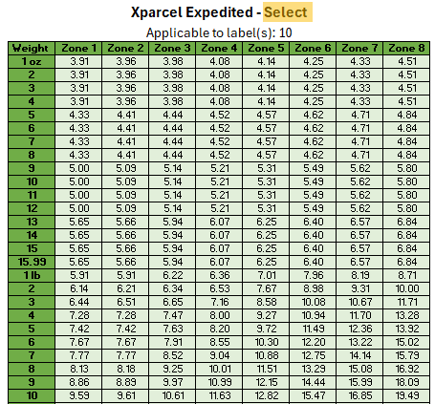
 |  |  |  | Select Rate Card:
Xparcel Ground
 |  |  |  | • | Rate card featuring a blend of "regional" coverage routing methods to select zip codes throughout the country

USPS Postal
 |  |  |  | • | Optimized for deeper savings with the expanded final-mile delivery routing

Terms |  |  |  | • | There are multiple label 10's that will receive the Select rate (10-A, 10-B, etc.). Label 10 may be sorted together unless instructed otherwise

How Rates Are Selected

All rate cards are seamlessly integrated into the Xparcel ship method. By simply selecting Xparcel in your shipping system, the platform automatically evaluates all available options to determine the best rate and network for your shipment.

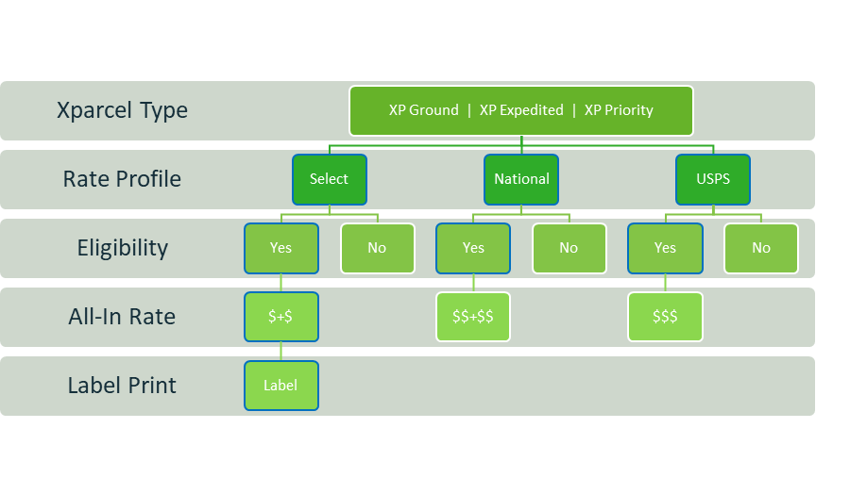

The system dynamically chooses the best rate based on the complete package profile, including:
Package weight and dimensions
Origin and destination zip codes
Transit time requirements
Dangerous Goods
All-In rate factors ꟷ base rates, surcharges, and fees
And more...
National + Select + USPS =
Ground | Expedited | Priority

